GAD typical
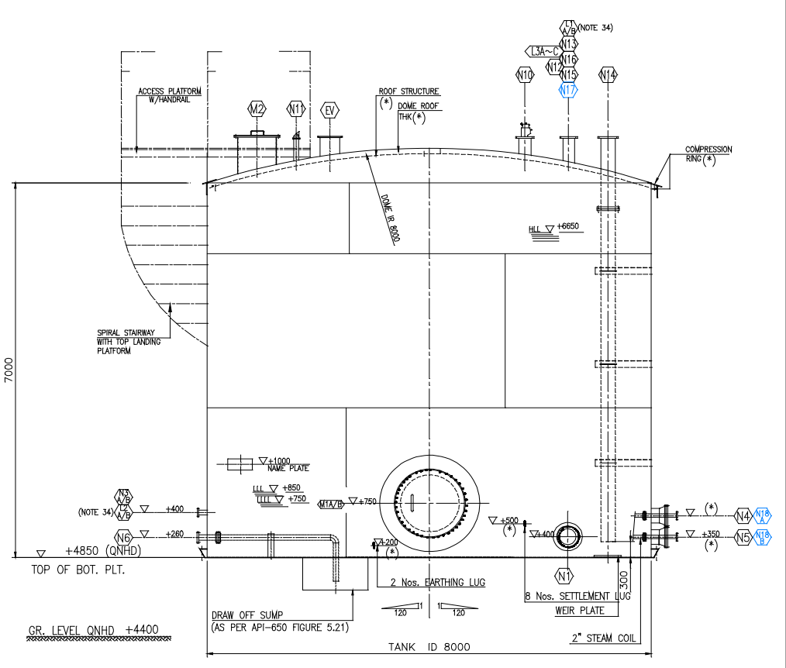
Centrifugal pump | Metering pump
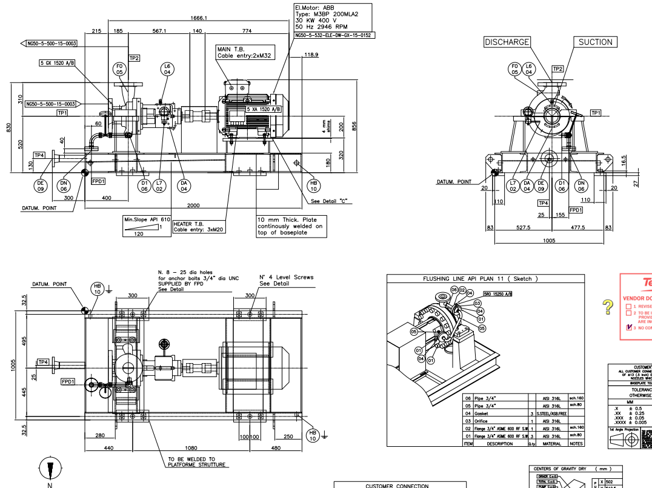
P001A | P101 A
P001 B | P101 B
P120 | P200 A
P201 | P200 B
P301 A | P202 A
P301 B | P202 B
P1000 | P300 A
 | P300 B

Air Compressor
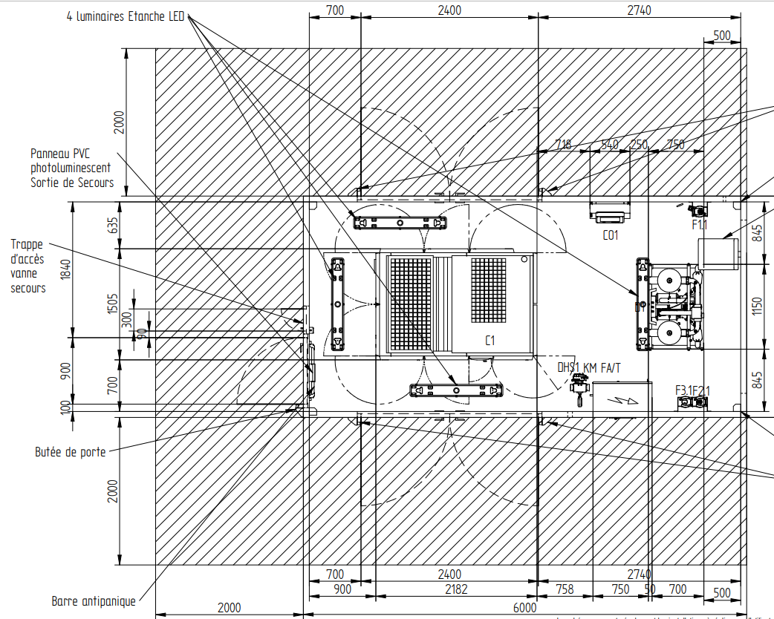
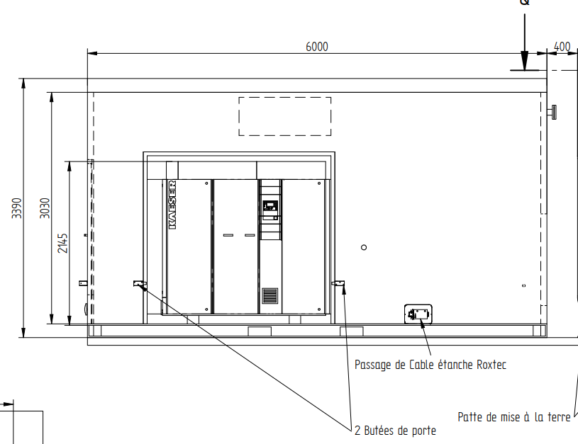
X200A
X200 B

S&T Exchanger BEU (Typical)

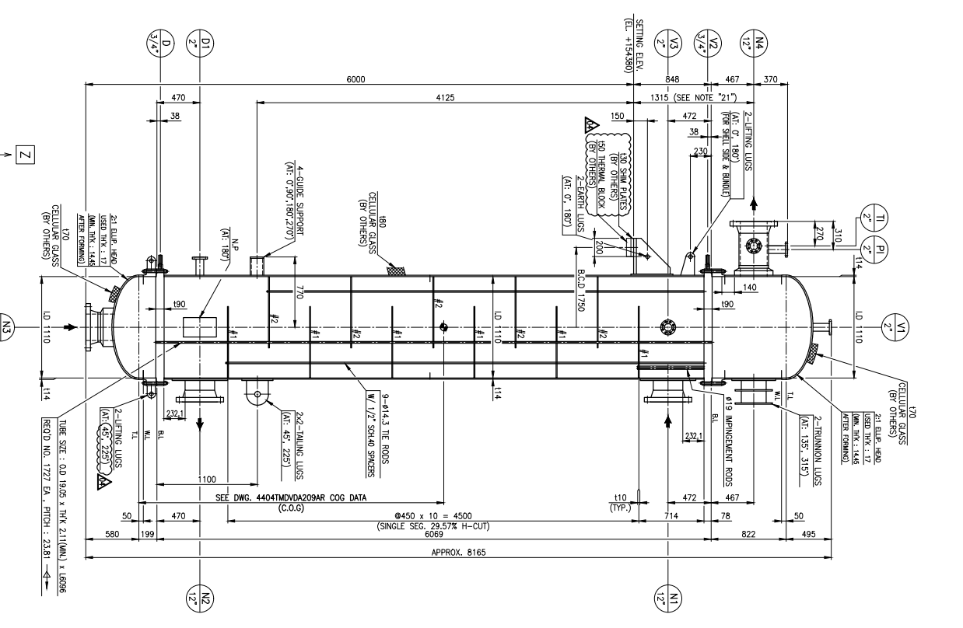

S&T Exchanger AEU (Typical)

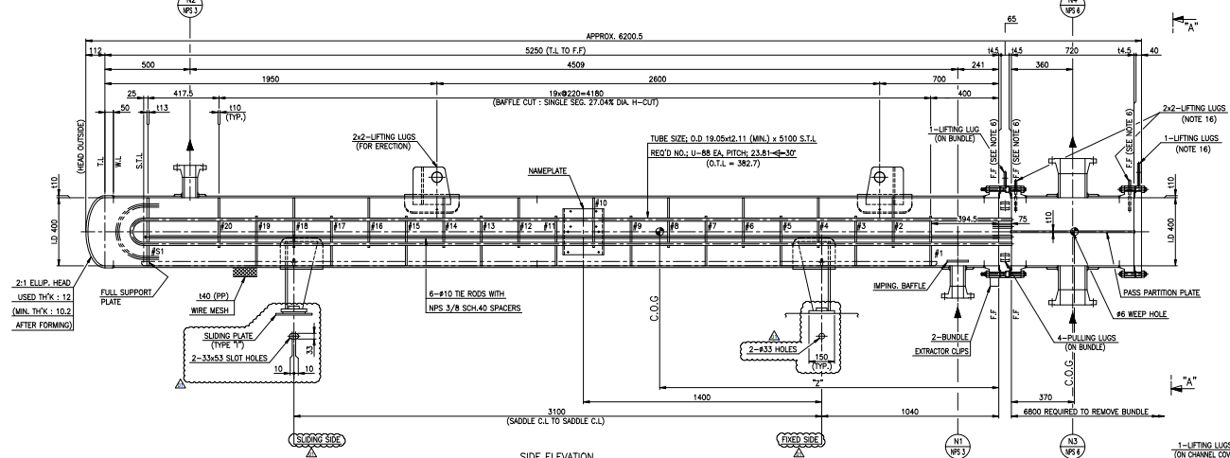

Drum vertical (typical)
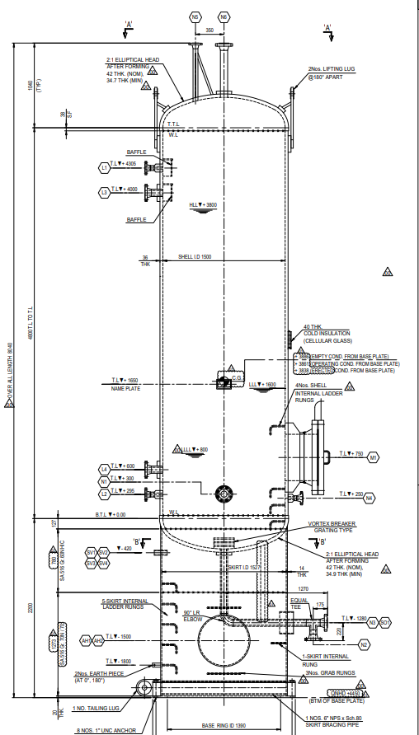

Drum horizontal (Typical)

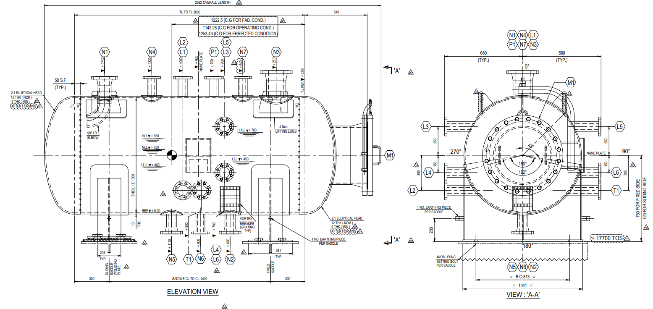

Tank (Typical)

